LinearRegression
Month | Spend (x) | Sales (y) | Avg(x) – x | Fxx=(Avg(x) – x)^2 | Avg(y) – y | Fxy=(Avg(x)-x) * (Avg(y)-y)
1 | 1,000.00 | 9,914.00
2 | 4,000.00 | 40,487.00
3 | 5,000.00 | 54,324.00
4 | 4,500.00 | 50,044.00
5 | 3,000.00 | 34,719.00
6 | 4,000.00 | 42,551.00
7 | 9,000.00 | 94,871.00
8 | 11,000.00 | 118,914.00
9 | 15,000.00 | 158,484.00
10 | 12,000.00 | 131,348.00
11 | 7,000.00 | 78,504.00
12 | 3,000.00 | 36,284.00
Average | 6,541.67 | 70,870.33 |  | - |  | -
Corelation
Slope |  |  |  | SUM(Fxy)/SUM(Fxx)
Intercept |  |  |  | AVG(y) – Slope * AVG(x)
Formula | y = .x + .

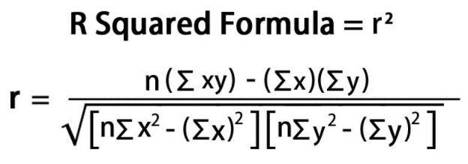
Month | Spend (x) | Sales (y) | xy | x | y^2
1 | 1,000.00 | 9,914.00
2 | 4,000.00 | 40,487.00
3 | 5,000.00 | 54,324.00
4 | 4,500.00 | 50,044.00
5 | 3,000.00 | 34,719.00
6 | 4,000.00 | 42,551.00
7 | 9,000.00 | 94,871.00
8 | 11,000.00 | 118,914.00
9 | 15,000.00 | 158,484.00
10 | 12,000.00 | 131,348.00
11 | 7,000.00 | 78,504.00
12 | 3,000.00 | 36,284.00
12 | 78,500.00 | 850,444.00 |  |  |  | <=== SUM

 |  | r | (1.000000)
 |  | r-Sq | 1.00000

